Tabelle1
 |  |  | Product | Description | Type | Gender | S | M | L | XL | Total Qty | RRP | WHS
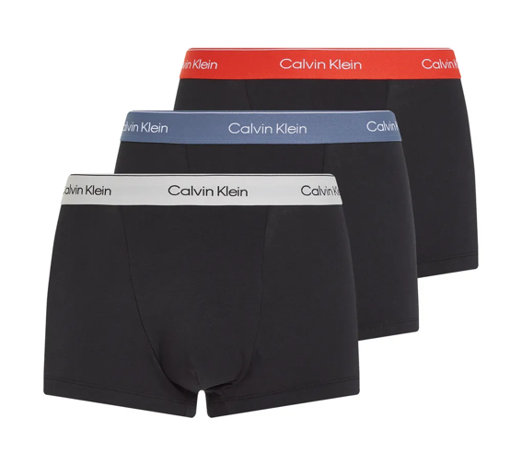 | 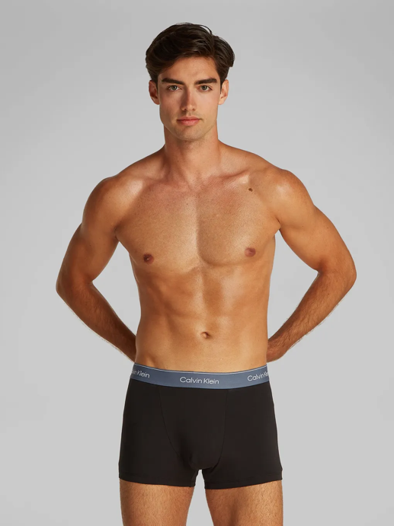 | 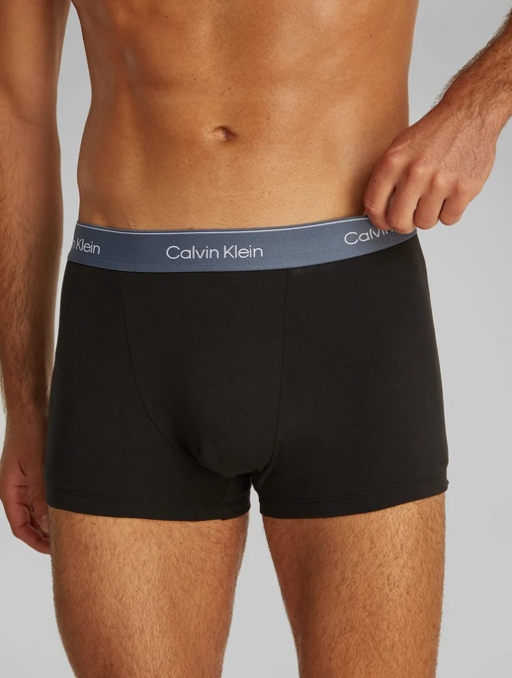 | LV00NB4286 4NK | RELAXED FIT TRUNK 3PK | TRUNK | MAN | 850 | 1650 | 1650 | 850 | 5000 | 44,90€ | 18,90€

